GNSS
 |  |  |  | Unit price
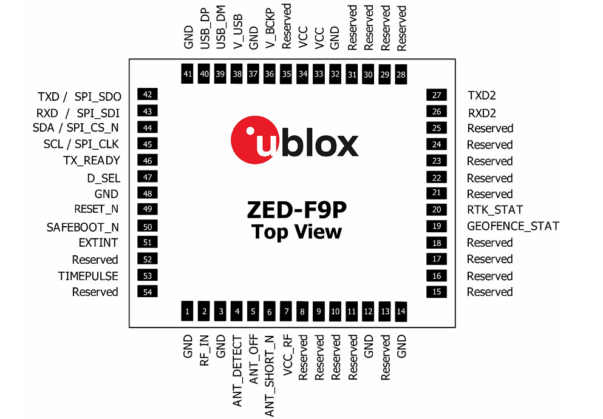
ZED-F9P-04B |  | Datasheet | Integration Mannual | $129.00

V backup requirment
Add MMC mag
Exposed both UART
I2C flash for ZED |  | there is no enough details in reference sheets
LED driver + RGB LED
need to add REST

Power

VCC |  |  |  |  | battery charging current set to 1mA while charging through R
V_BCKP
 |  |  |  |  | battery backup current 45uA

 |  |  | For MS621FE-FL11E battery

Communication Interfaces

UART1 | host interface for configuration, monitoring and contro
UART2 | not support for firmware upgrade, safeboot or backup modes functionalities. No startup boot screen is sent out from UART2

Antenna
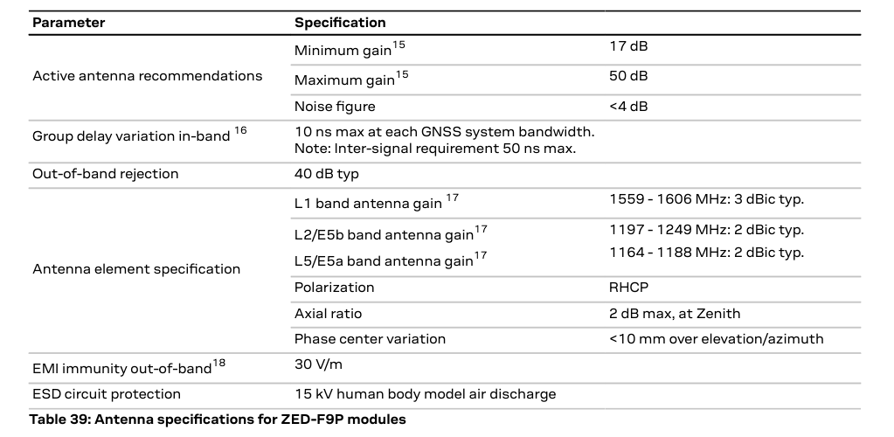
The ZED-F9P requires an active antenna with an integrated LNA

